Worksheet
REPORT DATE | Versace
9/2/25
 |  |  |  |  |  |  |  |  |  | 5299
IMAGE | SKU | PRODUCT | SEASON | GENDER | COLOR | COMPOSITION | DESC_EN | MADE_IN | RETAIL PRICE | TOT.QTY | TU | S | M | L | XL | XXL | XXXL | 46 | 50 | 52 | 54 | 56
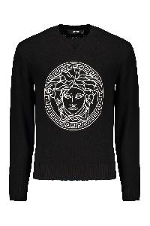 | 10118841A08648_1B000 | Cotton crew-neck sweater | FW | M | nero | 100% CO | Front embroidered logo; 100% Cotton | RO | 1,130.00 € | 129 |  |  |  |  |  |  |  | 8 | 40 | 45 | 19 | 17
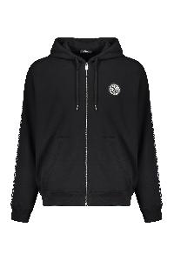 | 10121751A13795_2B020 | Cotton full zip hoodie | FW | M | nero | 100% CO|95% CO 5% EA|100% PL | Front logo patch; Side stripes with contrasting logo; Two front pockets; 100% Cotton, 100% Polyester, 5% Elastane, 95% Cotton | AL | 1,035.00 € | 131 |  |  |  | 27 | 48 | 31 | 25
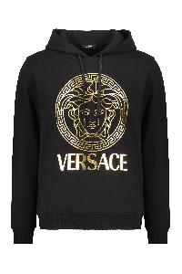 | 10118531A14057_2B150 | Cotton hoodie | FW | M | nero | 100% CO | Adjustable hood; Front logo print; Ribbed cuffs and lower edge; Two side pockets; 100% Cotton | BG | 805.00 € | 96 |  |  |  | 25 | 41 | 18 | 12
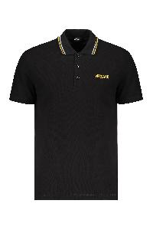 | 10118511A14049_1B000 | Cotton polo shirt | FW | M | nero | 100% CO | Side embroidered logo; Striped detail on the collar; 100% Cotton, 100% Viscose, 100% Polyester | TN | 485.00 € | 97 |  |  |  | 31 | 37 | 16 | 13
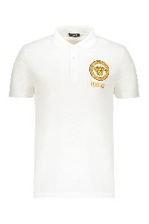 | 10118511A12074_2W110 | Cotton polo shirt | FW | M | bianco | 100% CO | Front logo patch; Logo detail buttons; 100% Cotton, 100% Viscose, 100% Polyester | TN | 575.00 € | 124 |  |  | 1 | 34 | 49 | 23 | 17
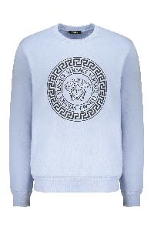 | 10118521A12064_2VI70 | Cotton sweatshirt | FW | M | azzurro | 100% CO | Ribbed edges; Front logo print; 100% Cotton, 95% Cotton, 5% Elastane | AL | 580.00 € | 49 |  |  |  | 15 | 24 | 4 | 6
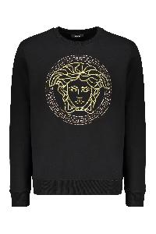 | 10118521A14074_2B130 | Cotton sweatshirt | FW | M | nero | 100% CO | Ribbed collar and edges; Front embroidered logo; 100% Cotton, 100% Polyester | BG | 1,035.00 € | 164 |  | 21 | 42 | 42 | 32 | 19 | 8
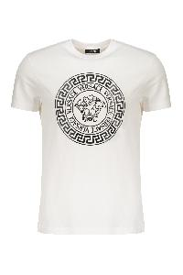 | 10118611A12076_2W020 | Cotton T-shirt | FW | M | bianco | 100% CO | Front maxi print; 100% Cotton | BG | 485.00 € | 21 |  |  |  |  |  | 6 | 15
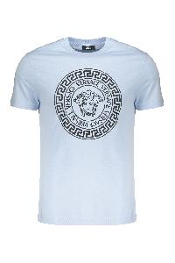 | 10118611A12076_2VI70 | Cotton T-shirt | FW | M | azzurro | 100% CO | Ribbed neckline; Front logo print; 100% Cotton | BG | 485.00 € | 61 |  |  |  | 17 | 29 | 11 | 4
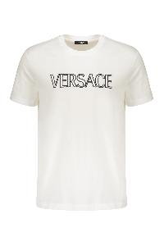 | 10118611A12070_2W020 | Cotton T-shirt | FW | M | bianco | 100% CO | Front embroidered logo; 100% Cotton, 100% Viscose, 100% Polyester | AL | 485.00 € | 86 |  |  |  | 5 | 43 | 24 | 14
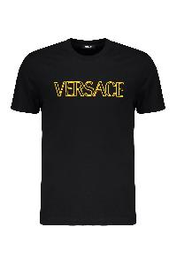 | 10118611A12070_2B130 | Cotton T-shirt | FW | M | nero | 100% CO | Front embroidered logo; 100% Cotton, 100% Viscose, 100% Polyester | AL | 485.00 € | 181 |  | 23 | 46 | 34 | 43 | 21 | 14
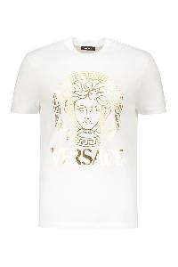 | 10118611A14053_2W110 | Cotton T-shirt | FW | M | bianco | 100% CO | Ribbed neckline; Front logo print; 100% Cotton | BG | 450.00 € | 201 |  |  | 1 | 57 | 77 | 38 | 28
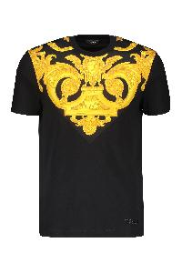 | 10121741A10245_5B000 | Cotton T-shirt | FW | M | nero | 100% CO | Ribbed neckline; Contrasting front print; 100% Polyester, 100% Cotton | AL | 620.00 € | 233 |  | 8 | 13 | 77 | 75 | 35 | 25
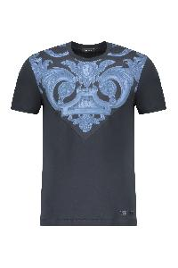 | 10121741A10245_5U960 | Cotton T-shirt | FW | M | blu | 100% CO | Ribbed neckline; Front print; 100% Cotton, 100% Polyester | AL | 620.00 € | 244 |  | 8 | 15 | 76 | 79 | 40 | 26
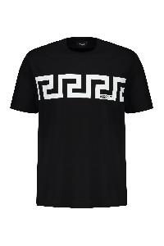 | 10144271A13835_2B020 | Cotton T-shirt | FW | M | nero | 100% CO | Front maxi print; 100% Cotton | BG | 395.00 € | 416 |  | 65 | 128 | 128 | 64 | 31
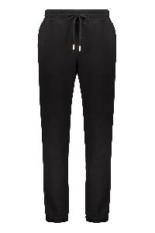 | 10144231A14059_5B000 | Drawstring waist track pants | FW | M | nero | 100% CO | Elasticated ankle cuffs; Back logo detail; Two side pockets; 100% Cotton | TN | 850.00 € | 21 |  | 2 |  |  | 5 | 7 | 7
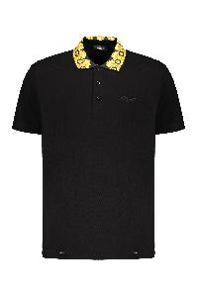 | 10122601A10242_2B130 | Embroidered cotton polo shirt | FW | M | nero | 100% CO | Front embroidered logo; Collar with contrasting color trimming; 100% Cotton | TN | 520.00 € | 12 |  |  |  |  | 1 |  | 11
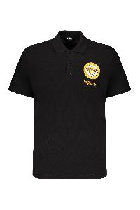 | 10118511A12074_2B130 | Embroidered cotton polo shirt | FW | M | nero | 100% CO | Front embroidered logo; 100% Cotton | TN | 575.00 € | 38 |  |  |  |  | 21 | 7 | 10
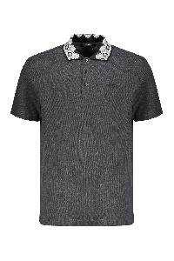 | 10122601A10242_2EO00 | Embroidered cotton polo shirt | FW | M | grigio | 100% CO | Front embroidered logo; Collar with contrasting color trimming; 100% Cotton | TN | 520.00 € | 56 |  |  |  | 15 | 27 | 8 | 6
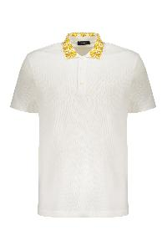 | 10122601A10242_2W110 | Embroidered cotton polo shirt | FW | M | bianco | 100% CO | Front embroidered logo; Collar with contrasting color trimming; 100% Cotton | TN | 520.00 € | 70 |  |  |  | 17 | 24 | 15 | 14
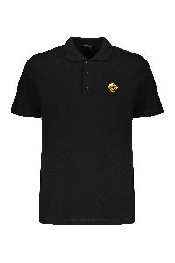 | A89507S1A14046_2B130 | Embroidered cotton polo shirt | FW | M | nero | 100% CO | Front embroidered logo; 100% Cotton | TN | 485.00 € | 83 |  |  |  |  | 16 | 32 | 35
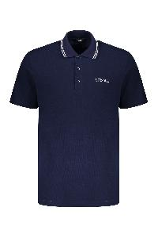 | 10118511A14049_1UI20 | Embroidered cotton polo shirt | FW | M | blu | 100% CO | Front embroidered logo; 100% Cotton | TN | 485.00 € | 118 |  |  |  | 26 | 55 | 25 | 12
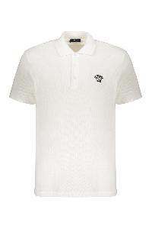 | A89507S1A14046_2W020 | Embroidered cotton polo shirt | FW | M | bianco | 100% CO | Front embroidered logo; 100% Cotton | TN | 485.00 € | 435 |  | 25 | 46 | 115 | 127 | 75 | 47
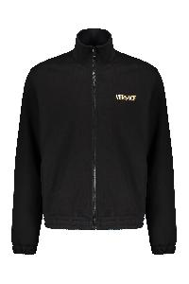 | 10144221A14059_5B000 | Full zip cotton hoodie | FW | M | nero | 100% CO | Front logo print; Back gold-tone metallic effect maxi logo print; Elasticated cuffs and hemline; Stand up collar; Two front pockets; 100% Cotton | TN | 1,080.00 € | 28 |  |  |  | 2 | 12 | 6 | 8
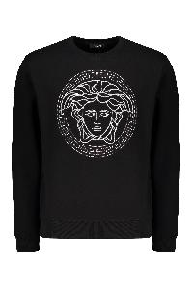 | 10118521A14074_2B900 | Logo detail cotton sweatshirt | FW | M | nero | 100% CO | Lurex thread embroidery; 100% Cotton, 100% Metallic fibers, 100% Polyester | BG | 1,035.00 € | 27 |  |  |  | 2 | 13 | 5 | 7
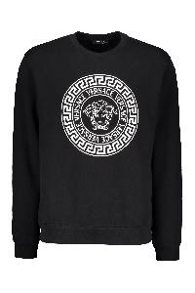 | 10118521A12064_2B020 | Logo detail cotton sweatshirt | FW | M | nero | 100% CO | Front maxi print; 100% Cotton, 95% Cotton, 5% Elastane | BG | 670.00 € | 307 |  | 47 | 95 | 95 | 46 | 24
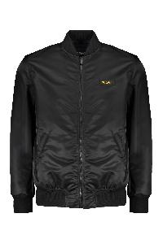 | 10118481A02115_1B000 | Padded bomber jacket | FW | M | nero | 100% PA | Maxi embroidery on the back; Logo patch on the side; Ribbed knit edges; 100% Polyamide, 100% Polyester | RO | 1,590.00 € | 24 |  |  |  |  |  |  |  |  | 7 | 10 | 6 | 1
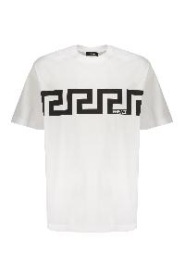 | 10144271A13835_2W020 | Printed cotton T-shirt | FW | M | bianco | 100% CO | Front logo print; 100% Cotton | BG | 395.00 € | 159 |  | 22 | 44 | 44 | 26 | 15 | 8
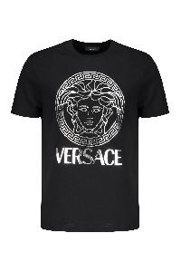 | 10118611A14053_2B900 | Printed cotton T-shirt | FW | M | nero | 100% CO | Front logo print; 100% Cotton | BG | 450.00 € | 296 |  | 46 | 92 | 92 | 43 | 23
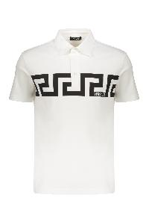 | 10192591A13841_2W020 | Short sleeve cotton polo shirt | FW | M | bianco | 100% CO | Front maxi print; 100% Cotton | BG | 520.00 € | 80 |  |  |  | 10 | 40 | 18 | 12
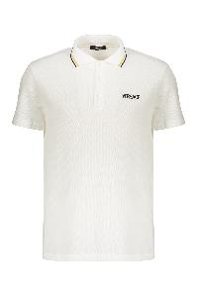 | 10118511A14049_1W000 | Short sleeve cotton polo shirt | FW | M | bianco | 100% CO | Front embroidered logo; Contrasting stirped collar; 100% Cotton, 100% Viscose, 100% Polyester | TN | 485.00 € | 157 |  |  | 2 | 49 | 67 | 33 | 6
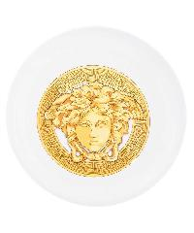 | ZFRI00001ZPP00002_Z7010 | Frisbee | FW | UNI | bianco | 100% PE | Diameter: 27 cm; 100% Polyethylene | IT | 75.00 € | 9 | 9
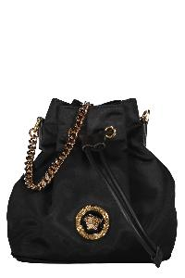 | 10028751A02155_1B00V | Bucket bag | FW | W | nero | 100% PA|100% LAMB LE | Leather details; Drawstring closure; Removable and adjustable strap; Gold-tone metal hardware; Fabric lining; Width: 18 cm; Height: 20 cm; Depth: 11 cm; Strap: 130 cm; 100% Calf, 100% Polyamide | IT | 875.00 € | 11 | 11
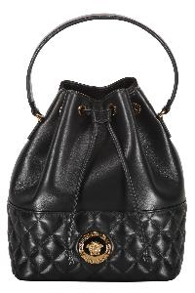 | 10117791A03912_1B00V | Bucket bag | FW | W | nero | 60% CO 40% VI|100% LAMB LE | Lamb leather item; Drawstring closure; Internal pocket; Leather top handle; Removable leather and chain strap; Gold-tone metal hardware; Fabric lining; Width: 21 cm; Height: 26 cm; Depth: 15 cm; Strap: 125 cm; 60% Cotton, 40% Viscose, 100% Lamb | IT | 1,580.00 € | 28 | 28
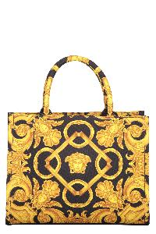 | 10145701A10399_5B00V | Canvas tote bag | FW | W | nero | 100% PL | Jacquard motif canvas item; Two rigid handles; Internal zippered pocket; Removable strap; Gold-tone metal hardware; Leather inserts; Cotton lining; Width: 28 cm; Height: 21 cm; Depth: 14 cm; Strap: 110 cm; 100% Polyester, 100% Leather, 100% Cotton | IT | 1,235.00 € | 62 | 62
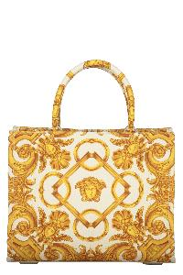 | 10145701A10399_2KM5V | Canvas tote bag | FW | W | avorio | 100% PL | Jacquard motif canvas item; Two rigid handles; Internal zippered pocket; Removable strap; Gold-tone metal hardware; Leather inserts; Cotton lining; Width: 28 cm; Height: 21 cm; Depth: 14 cm; Strap: 110 cm; 100% Polyester, 100% Leather, 100% Cotton | IT | 1,235.00 € | 88 | 88
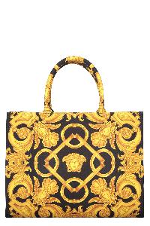 | 10145691A10399_5B00V | Canvas tote bag | FW | W | nero | 100% PL|100% LAMB LE | Jacquard motif canvas item; Two rigid handles; Internal zippered pocket; Removable strap; Gold-tone metal hardware; Leather inserts; Cotton lining; Width: 39 cm; Height: 29 cm; Depth: 17 cm; Strap: 105 cm; 100% Polyester, 100% Leather, 100% Cotton | IT | 1,405.00 € | 107 | 107
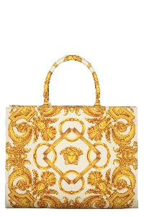 | 10145691A10399_2KM5V | Canvas tote bag | FW | W | avorio | 100% PL|100% LAMB LE | Jacquard motif canvas item; Two rigid handles; Internal zippered pocket; Removable strap; Gold-tone metal hardware; Leather inserts; Cotton lining; Width: 39 cm; Height: 29 cm; Depth: 17 cm; Strap: 105 cm; 100% Polyester, 100% Leather, 100% Cotton | IT | 1,405.00 € | 129 | 129
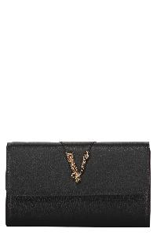 | 10062641A04093_1B00V | Leather clutch | FW | W | nero | 100% PA|100% LAMB LE | Calf leather item; Magnetic flap closure; Two internal compartments with central zippered pocket; Internal flat pocket; Ten card slots; Removable leather and chain strap; Gold-tone metal hardware; Fabric lining; Width: 21,5 cm; Height: 12,5 cm; Depth: 3 cm; Strap: 124,5 cm; 100% Calf, 100% Cotton | IT | 1,050.00 € | 74 | 74
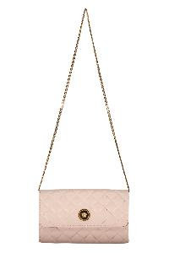 | DBSI159S1A03912_1PV4V | Leather clutch with logo | FW | W | rosa | 60% CO 40% VI|100% LAMB LE | Quilted leather item; Magnetic flap closure; Two internal compartments with central zippered pocket; Internal flat pocket; Ten card slots; Removable chain strap; Gold-tone metal hardware; Fabric lining; Width: 21,5 cm; Height: 12,5 cm; Depth: 3 cm; Strap: 96 cm; 100% Lamb, 40% Viscose, 60% Cotton | IT | 1,150.00 € | 30 | 30
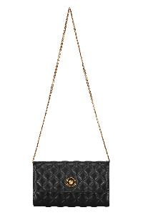 | DBSI159S1A03912_1B00V | Leather clutch with logo | FW | W | nero | 60% CO 40% VI|100% LAMB LE | Quilted leather item; Magnetic flap closure; Two internal compartments with central zippered pocket; Internal flat pocket; Ten card slots; Removable chain strap; Gold-tone metal hardware; Fabric lining; Width: 21,5 cm; Height: 12,5 cm; Depth: 3 cm; Strap: 96 cm; 100% Lamb, 40% Viscose, 60% Cotton | IT | 1,150.00 € | 136 | 136
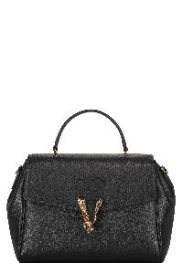 | 10133511A04093_1B00V | Leather crossbody bag | FW | W | nero | 100% CO|100% CALF LE | Pebbled calfskin item; Closure with flap and press fasteners; Leather top handle; One card slot; Removable and adjustable leather shoulder strap; Gold-tone metal hardware; Cotton lining; Width: 28 cm; Height: 21 cm; Depth: 13 cm; Strap: 70 cm; 100% Cotton, 100% Calf | IT | 1,670.00 € | 9 | 9
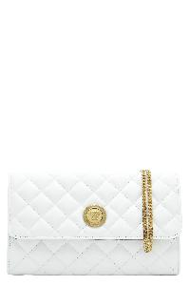 | DBSI159S1A03912_1W00V | Leather crossbody bag | FW | W | bianco | 60% CO 40% VI|100% LAMB LE | Push-lock closure flap with metal logo; Two internal compartments with central zippered pocket; Internal flat pocket; Eight card slots; Gold-tone metal hardware; Fabric lining; Removable chain strap; Width: 23 cm; Height: 14 cm; Depth: 5 cm; Strap: 94 cm; 60% Cotton, 40% Viscose, 100% Lamb | IT | 1,150.00 € | 9 | 9
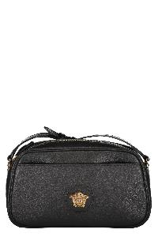 | 1014248DVIT2T_1B00V | Leather crossbody bag | FW | W | nero | 100% CO|100% CALF LE | Calf leather item; Top zippered closure; Front flat pocket; Internal flat pocket; Embossed metal logo; Leather adjustable strap; Gold-tone metal hardware; Fabric lining; Width: 24,5 cm; Height: 13,5 cm; Depth: 7 cm; Strap: 120 cm; 100% Cotton, 100% Calf | IT | 1,235.00 € | 27 | 27
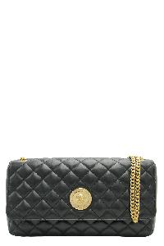 | 10133531A03912_1B00V | Leather crossbody bag | FW | W | nero | 60% CO 40% VI|100% LAMB LE | Quilted leather item; Magnetic flap closure; One card slot; Sliding chain strap with leather shoulder pad; Gold-tone metal hardware; Fabric lining; Width: 26 cm; Height: 14 cm; Depth: 7 cm; Strap: 130 cm; 60% Cotton, 40% Viscose, 100% Lamb | IT | 1,580.00 € | 28 | 28
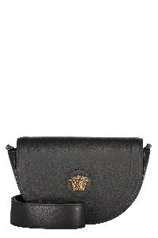 | 1013350DVIT2T_1B00V | Leather crossbody bag | FW | W | nero | 100% CO|100% CALF LE | Pebbled calfskin item; Magnetic fastening flap; Adjustable and removable shoulder strap; Gold-tone metal hardware; Contrast color lining; Width: 22 cm; Height: 14 cm; Depth: 7 cm; Strap: 110 cm; 100% Cotton, 100% Calf | IT | 1,315.00 € | 33 | 33
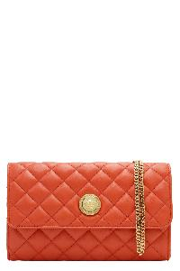 | DBSI159S1A03912_1RA8V | Leather crossbody bag | FW | W | arancione | 60% CO 40% VI|100% LAMB LE | Push-lock closure flap with metal logo; Two internal compartments with central zippered pocket; Internal flat pocket; Eight card slots; Gold-tone metal hardware; Fabric lining; Removable chain strap; Width: 23 cm; Height: 14 cm; Depth: 5 cm; Strap: 94 cm; 60% Cotton, 40% Viscose, 100% Lamb | IT | 1,150.00 € | 40 | 40
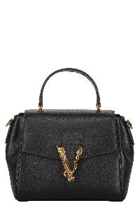 | 10155561A04093_1B00V | Leather crossbody bag | FW | W | nero | 100% CO|100% CALF LE | Pebbled calfskin item; Closure with flap and press fasteners; Leather top handle; One card slot; Removable and adjustable leather shoulder strap; Gold-tone metal hardware; Cotton lining; Width: 21 cm; Height: 18 cm; Depth: 10 cm; Strap: 70 cm; 100% Cotton, 100% Calf | IT | 1,545.00 € | 46 | 46
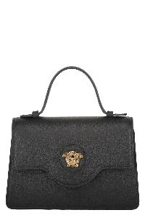 | 1015524DVIT2T_1B00V | Leather mini bag | FW | W | nero | 100% CO|100% CALF LE | Calf leather item; Push-lock closure flap with metal logo; One card slot; Leather top handle; Adjustable and removable leather shoulder strap; Gold-tone metal hardware; Fabric lining; Width: 19 cm; Height: 13,5 cm; Depth: 5,5 cm; Strap: 112 cm; 100% Calf, 100% Cotton | IT | 1,335.00 € | 15 | 15
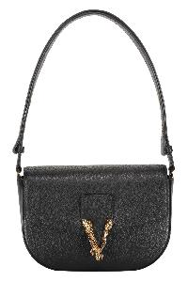 | 10142781A04093_1B00V | Leather shoulder bag | FW | W | nero | 100% CO|100% CALF LE | Push-lock closure flap with metal logo; One card slot; Adjustable leather shoulder strap; Gold-tone metal hardware; Fabric lining; Width: 23 cm; Height: 15 cm; Depth: 5 cm; Strap: 70 cm; 100% Calf, 100% Cotton | IT | 1,405.00 € | 50 | 50
 | 1015533DVIT2T_1B00V | Leather tote | FW | W | nero | 100% CALF LE | Calf leather item; Two leather handles; Snap closure; Internal zippered pouch; Gold-tone metal hardware; Floral jacquard lining; Width: 37 cm; Height: 28 cm; Depth: 13 cm; 100% Calf, 100% Polyester | IT | 1,235.00 € | 40 | 40
 | 10137921A02155_1B00V | Logo detail nylon backpack | FW | W | nero | 100% PA|100% LAMB LE | Magnetic flap closure; Drawstring closure under the flap; Leather details; Internal flat pocket; Leather top handle; Two adjustable shoulder straps; Gold-tone metal hardware; Fabric lining; Width: 18 cm; Height: 19,5 cm; Depth: 11,5 cm; 100% Polyamide, 100% Calf | IT | 920.00 € | 46 | 46
 | 10028761A02155_1B00V | Logo detail nylon backpack | FW | W | nero | 100% PA | Magnetic flap closure; Drawstring closure under the flap; Leather details; Internal flat pocket; Front exterior zippered pocket; Fabric adjustable shoulder straps and handle; Gold-tone metal hardware; Fabric lining; Width: 24,5 cm; Height: 24,5 cm; Depth: 14 cm; 100% Polyamide, 100% Calf | IT | 1,050.00 € | 89 | 89
 | 10155231A02155_1B00V | Nylon tote | FW | W | nero | 100% PA| 100% LAMB LE | Two fabric handles; Top zippered closure; Internal zippered pocket; Gold-tone metal hardware; Leather inserts; Nylon lining; Width: 43 cm; Height: 38 cm; Depth: 11 cm; Strap: 100 cm; 100% Polyamide, 100% Calf | IT | 1,150.00 € | 49 | 49

